IRP Prelim Results 2019-2020
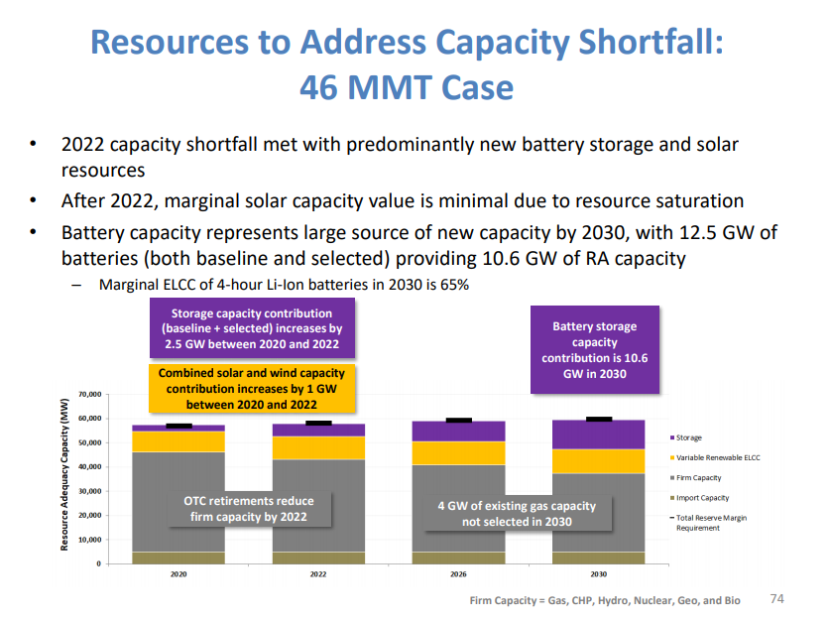
Resolve resource build + existing gives BAU battery capacity.

https://www.cpuc.ca.gov/uploadedFiles/CPUCWebsite/Content/UtilitiesIndustries/Energy/EnergyPrograms/ElectPowerProcurementGeneration/irp/2018/2019%20IRP%20Preliminary%20Results%2020191004.pdf

Note, "selected resources," below are newly built.

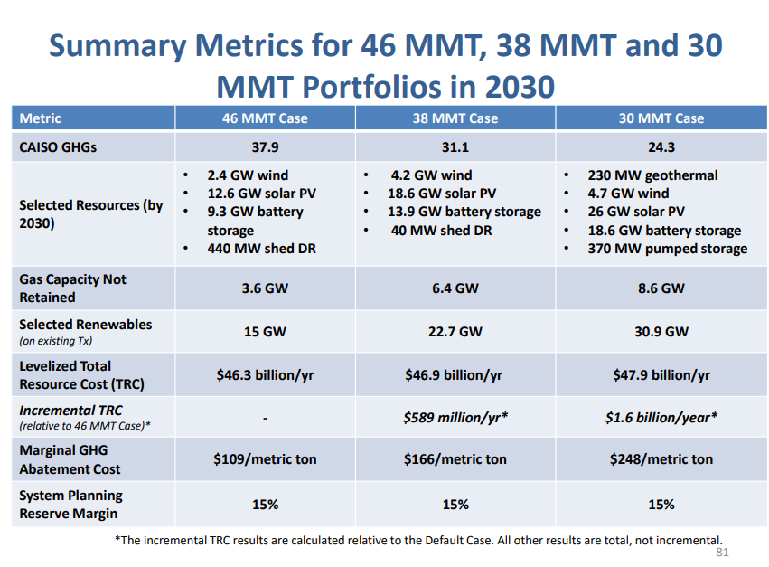

Slide below shows total capacity at ~12.5 GW for BAU / 46 MMT.

